YY07
 | 360 ONE Dynamic Bond Fund (Formerly known as IIFL Dynamic Bond Fund)

 | Fortnightly Portfolio Statement as on May 15,2023
 | Name of the Instrument | ISIN | Industry / Rating | Quantity | Market/Fair Value(Rs. in Lacs) | Rounded % to Net Assets | YTM
 | REIT/InvIT Instruments
 | (a) Listed / awaiting listing on Stock Exchanges
EOPR01 | Embassy Office Parks REIT | INE041025011 | Realty | 560,232 | 1,735.21 | 2.15%
PIIT01 | Powergrid Infrastructure Investment Trust | INE0GGX23010 | Power | 208,691 | 256.50 | 0.32%
 | Sub Total |  |  |  | 1,991.71 | 2.47%
 | (b) Unlisted |  |  |  | NIL | NIL
 | Sub Total |  |  |  | NIL | NIL
 | Total |  |  |  | 1,991.71 | 2.47%
 | Debt Instruments
 | (a) Listed / awaiting listing on Stock Exchange
GOI4584 | 7.26% Government of India (22/08/2032) | IN0020220060 | SOVEREIGN | 12,000,000 | 12,167.15 | 15.11% | 7.17%
GOI4900 | 7.41% Government of India (19/12/2036) | IN0020220102 | SOVEREIGN | 8,000,000 | 8,221.25 | 10.21% | 7.21%
GOI4976 | 7.26% Government of India (06/02/2033) | IN0020220151 | SOVEREIGN | 5,000,000 | 5,089.55 | 6.32% | 7.12%
GOI3734 | 6.54% Government of India (17/01/2032) | IN0020210244 | SOVEREIGN | 4,500,000 | 4,347.97 | 5.40% | 7.19%
MEBP22 | 6.6861% Mindspace Business Parks REIT (17/05/2024) ** | INE0CCU07033 | CRISIL AAA | 4,000,000 | 3,962.41 | 4.92% | 7.88%
RUPL36 | 6.4% Jamnagar Utilities & Power Private Limited (29/09/2026) ** | INE936D07174 | CRISIL AAA | 3,500,000 | 3,371.95 | 4.19% | 7.65%
GOI4366 | 7.1% Government of India (18/04/2029) | IN0020220011 | SOVEREIGN | 3,000,000 | 3,012.59 | 3.74% | 7.13%
LICH647 | 8.025% LIC Housing Finance Limited (23/03/2033) ** | INE115A07QH6 | CRISIL AAA | 2,500,000 | 2,555.35 | 3.17% | 7.69%
GOI4979 | 7.64% State Government Securities (08/02/2033) | IN2120220065 | SOVEREIGN | 2,500,000 | 2,550.47 | 3.17% | 7.48%
GOI4978 | 7.6% State Government Securities (08/02/2035) | IN1520220220 | SOVEREIGN | 2,500,000 | 2,549.13 | 3.16% | 7.48%
GOI4485 | 7.38% Government of India (20/06/2027) | IN0020220037 | SOVEREIGN | 2,500,000 | 2,536.91 | 3.15% | 7.08%
HDFC1200 | 7.8% Housing Development Finance Corporation Limited (06/09/2032) | INE001A07TP5 | CRISIL AAA | 2,500,000 | 2,513.83 | 3.12% | 7.71%
LICH637 | 7.8% LIC Housing Finance Limited (22/12/2027) ** | INE115A07QC7 | CRISIL AAA | 2,500,000 | 2,508.61 | 3.11% | 7.69%
HDBF304 | 8.04% HDB Financial Services Limited (25/02/2026) ** | INE756I07EL8 | CRISIL AAA | 2,500,000 | 2,503.21 | 3.11% | 7.97%
RPAT30 | 6.75% Sikka Ports and Terminals Limited (22/04/2026) ** | INE941D07208 | CRISIL AAA | 2,500,000 | 2,445.84 | 3.04% | 7.60%
HDFC1134 | 5.78% Housing Development Finance Corporation Limited (25/11/2025) ** | INE001A07ST9 | CRISIL AAA | 2,500,000 | 2,388.81 | 2.97% | 7.76%
GOI4449 | 7.54% Government of India (23/05/2036) | IN0020220029 | SOVEREIGN | 2,000,000 | 2,074.46 | 2.58% | 7.22%
GOI5018 | 7.71% State Government Securities (08/03/2034) | IN1520220279 | SOVEREIGN | 1,500,000 | 1,540.97 | 1.91% | 7.47%
GOI5002 | 7.71% State Government Securities (01/03/2033) | IN1520220253 | SOVEREIGN | 1,500,000 | 1,538.14 | 1.91% | 7.47%
SHTR492 | 9% Shriram Finance Limited (24/06/2024) ** | INE721A07RJ5 | CRISIL AA+ | 1,500,000 | 1,505.67 | 1.87% | 8.64%
IGIF26 | 8.4% India Grid Trust InvIT Fund (14/06/2023) ** | INE219X07090 | CRISIL AAA | 1,500,000 | 1,500.00 | 1.86% | 7.50%
GOI5045 | 7.74% State Government Securities (23/03/2043) | IN2120220131 | SOVEREIGN | 1,000,000 | 1,034.15 | 1.28% | 7.54%
GOI5006 | 7.74% State Government Securities (01/03/2033) | IN2220220189 | SOVEREIGN | 1,000,000 | 1,028.07 | 1.28% | 7.47%
GOI4995 | 7.66% State Government Securities (22/02/2030) | IN1520220246 | SOVEREIGN | 661,400 | 673.10 | 0.84% | 7.45%
GOI1984 | 7.69% State Government Securities (20/12/2027) | IN1520170144 | SOVEREIGN | 500,000 | 507.74 | 0.63% | 7.42%
CHOL941 | 7.38% Cholamandalam Investment and Finance Company Ltd (31/07/2024) ** | INE121A07PN4 | ICRA AA+ | 500,000 | 496.35 | 0.62% | 8.00%
BKBA286 | 8.99% Bank of Baroda (18/12/2024) ** | INE028A08182 | CRISIL AA+ | 300,000 | 301.65 | 0.37% | 8.93%
 | Sub Total |  |  |  | 74,925.33 | 93.03%
 | (b) Privately placed / Unlisted |  |  |  | NIL | NIL
 | Sub Total |  |  |  | NIL | NIL
 | Total |  |  |  | 74,925.33 | 93.03%
 | TREPS / Reverse Repo
TRP_160523 | TREPS |  |  |  | 2,059.00 | 2.56%
 | Sub Total |  |  |  | 2,059.00 | 2.56%
 | Total |  |  |  | 2,059.00 | 2.56%
 | Net Receivables / (Payables) |  |  |  | 1,566.02 | 1.94%
 | GRAND TOTAL |  |  |  | 80,542.06 | 100.00%

 | ** Thinly Traded / Non Traded Security

 | Tier 1 & 2 Bonds Disclosure as on 15 May 2023
 | BONDS | ISIN | Yield till Maturity* | Maturity (as per SEBI guidelines*) | Yield till Call | Yield to Call Maturity
 | 8.99% Bank of Baroda - NCD - M - Perpetual - 18-Dec-2099 - Call - 18-Dec-2024 | INE028A08182 | 8.93 | 18-12-2119 | 8.53 | 18-Dec-24

 | (*) Twenty years from the date of allotment for Tier1 bonds and at maturity if before 20 years in case of Tier2 bonds

 | Disclosure Portfolio YTM for Debt Schemes
 | Scheme Name : | 360 ONE Dynamic Bond Fund
 | Description (if any)

 | Annualised Portfolio YTM* : | 7.3780

 | Macaulay Duration | 5.4055
 | Residual Maturity | 7.8471

 | As on (Date) | 15-May-23

 | Risk-o-meter:

 | This product is suitable for investors who are seeking*
 | Income and long term gains | 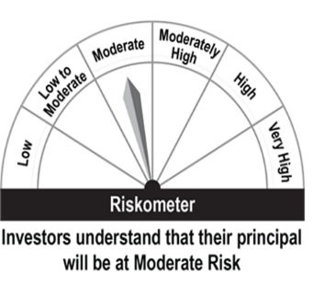 |  | 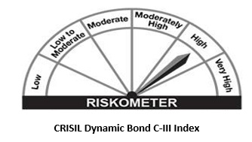
 | Investment in a range of debt and money market instruments of various maturities.
 | *Investors should consult their financial advisers if in doubt about whether the product is suitable for them.

YY09
 | 360 ONE Liquid Fund (Formerly known as IIFL Liquid Fund)

 | Fortnightly Portfolio Statement as on May 15,2023
 | Name of the Instrument | ISIN | Rating | Quantity | Market/Fair Value(Rs. in Lacs) | Rounded % to Net Assets | YTM
 | Debt Instruments
 | (a) Listed / awaiting listing on Stock Exchange
RECL389 | 6.8% REC Limited (30/06/2023) ** | INE020B08CN2 | CRISIL AAA | 3,500,000 | 3,498.33 | 4.29% | 7.09%
 | Sub Total |  |  |  | 3,498.33 | 4.29%
 | (b) Privately placed / Unlisted |  |  |  | NIL | NIL
 | Sub Total |  |  |  | NIL | NIL
 | Total |  |  |  | 3,498.33 | 4.29%
 | Money Market Instruments
 | Certificate of Deposit
PUBA978 | Punjab National Bank (18/05/2023) ** # | INE160A16MY7 | CARE A1+ | 2,500,000 | 2,499.03 | 3.06% | 7.09%
BKBA363 | Bank of Baroda (09/06/2023) ** # | INE028A16DB3 | FITCH A1+ | 2,500,000 | 2,488.55 | 3.05% | 7.00%
KMBK787 | Kotak Mahindra Bank Limited (26/06/2023) ** # | INE237A162P3 | CRISIL A1+ | 2,500,000 | 2,480.57 | 3.04% | 6.98%
IDBK478 | IDFC First Bank Limited (29/06/2023) ** # | INE092T16UO6 | CRISIL A1+ | 2,500,000 | 2,478.49 | 3.04% | 7.20%
HDFB819 | HDFC Bank Limited (17/07/2023) # | INE040A16DH5 | CARE A1+ | 2,500,000 | 2,470.00 | 3.03% | 7.15%
CANB863 | Canara Bank (27/07/2023) ** # | INE476A16TU0 | CRISIL A1+ | 2,500,000 | 2,465.45 | 3.02% | 7.10%
CANB905 | Canara Bank (07/08/2023) ** # | INE476A16VK7 | CRISIL A1+ | 2,500,000 | 2,460.14 | 3.02% | 7.12%
 | Sub Total |  |  |  | 17,342.22 | 21.26%
 | Commercial Paper
RIND438 | Reliance Industries Limited (26/05/2023) ** | INE002A14JU0 | CARE A1+ | 5,000,000 | 4,990.34 | 6.12% | 7.07%
SIDB501 | Small Industries Dev Bank of India (30/05/2023) | INE556F14IV4 | CARE A1+ | 5,000,000 | 4,986.52 | 6.11% | 7.05%
LICH641 | LIC Housing Finance Limited (20/07/2023) ** | INE115A14EG0 | ICRA A1+ | 5,000,000 | 4,936.36 | 6.05% | 7.24%
NTPC244 | NTPC Limited (31/07/2023) ** | INE733E14BL8 | CARE A1+ | 5,000,000 | 4,926.91 | 6.04% | 7.13%
RRVL98 | Reliance Retail Ventures Limited (17/05/2023) ** | INE929O14966 | CRISIL A1+ | 2,500,000 | 2,499.52 | 3.06% | 7.07%
HDFC1185 | Housing Development Finance Corporation Limited (17/05/2023) ** | INE001A14YV9 | CRISIL A1+ | 2,500,000 | 2,499.51 | 3.06% | 7.14%
NBAR706 | National Bank For Agriculture and Rural Development (24/05/2023) | INE261F14JP1 | CRISIL A1+ | 2,500,000 | 2,496.14 | 3.06% | 7.05%
RRVL99 | Reliance Retail Ventures Limited (26/05/2023) ** | INE929O14974 | CRISIL A1+ | 2,500,000 | 2,495.17 | 3.06% | 7.07%
RIND439 | Reliance Industries Limited (16/06/2023) ** | INE002A14JV8 | CARE A1+ | 2,500,000 | 2,485.05 | 3.05% | 7.08%
LICH648 | LIC Housing Finance Limited (12/07/2023) | INE115A14EA3 | CRISIL A1+ | 2,500,000 | 2,472.01 | 3.03% | 7.25%
BAFL844 | Bajaj Finance Limited (13/07/2023) ** | INE296A14UQ3 | ICRA A1+ | 2,500,000 | 2,471.37 | 3.03% | 7.29%
NEFL244 | Network18 Media & Investments Limited (25/07/2023) ** | INE870H14QA2 | CARE A1+ | 2,500,000 | 2,465.65 | 3.02% | 7.26%
ENAM246 | Axis Finance Limited (27/07/2023) ** | INE891K14MC7 | CRISIL A1+ | 2,500,000 | 2,464.18 | 3.02% | 7.37%
 | Sub Total |  |  |  | 42,188.71 | 51.73%
 | Treasury Bill
TBIL2143 | 182 Days Tbill (MD 22/06/2023) | IN002022Y393 | SOVEREIGN | 2,500,000 | 2,483.06 | 3.04% | 6.73%
TBIL2195 | 91 Days Tbill (MD 27/07/2023) | IN002023X047 | SOVEREIGN | 2,500,000 | 2,466.58 | 3.02% | 6.87%
TBIL2156 | 182 Days Tbill (MD 28/07/2023) | IN002022Y443 | SOVEREIGN | 500,000 | 493.23 | 0.60% | 6.87%
 | Sub Total |  |  |  | 5,442.86 | 6.67%
 | Total |  |  |  | 64,973.79 | 79.67%
 | TREPS / Reverse Repo
TRP_160523 | TREPS |  |  |  | 12,724.00 | 15.60%
 | Sub Total |  |  |  | 12,724.00 | 15.60%
 | Total |  |  |  | 12,724.00 | 15.60%
 | Net Receivables / (Payables) |  |  |  | 360.91 | 0.44%
 | GRAND TOTAL |  |  |  | 81,557.03 | 100.00%

 | ** Thinly Traded / Non Traded Security
 | # Unlisted Security

 | Disclosure Portfolio YTM for Debt Schemes
 | Scheme Name : | 360 ONE Liquid Fund
 | Description (if any)

 | Annualised Portfolio YTM* : | 6.9758

 | Macaulay Duration | 0.0951
 | Residual Maturity | 0.0956

 | As on (Date) | 15-May-23

 | Risk-o-meter:

 | This product is suitable for investors who are seeking*
 | Income over short term horizon | 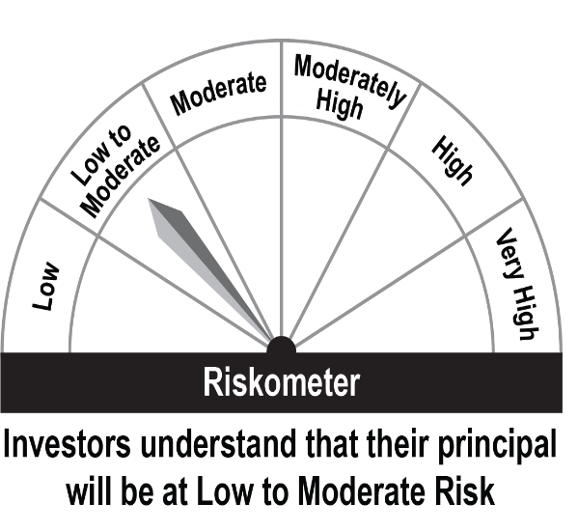 |  | 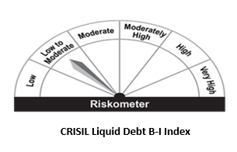
 | Investments in money market and short term debt instruments, with maturity not exceeding 91 days.
 | *Investors should consult their financial advisors if in doubt about whether the product is suitable for them.

