YY07
 | IIFL Dynamic Bond Fund

 | Fortnightly Portfolio Statement as on April 30,2023
 | Name of the Instrument | ISIN | Industry / Rating | Quantity | Market/Fair Value(Rs. in Lacs) | Rounded % to Net Assets | YTM
 | REIT/InvIT Instruments
 | (a) Listed / awaiting listing on Stock Exchanges
EOPR01 | Embassy Office Parks REIT | INE041025011 | Realty | 560,232 | 1847.0288808 | 2.25%
PIIT01 | Powergrid Infrastructure Investment Trust | INE0GGX23010 | Power | 308,691 | 381.0481704 | 0.46%
 | Sub Total |  |  |  | 2228.0770512 | 2.71%
 | (b) Unlisted |  |  |  | NIL | NIL
 | Sub Total |  |  |  | NIL | NIL
 | Total |  |  |  | 2228.0770512 | 2.71%
 | Debt Instruments
 | (a) Listed / awaiting listing on Stock Exchange
GOI4584 | 7.26% Government of India (22/08/2032) | IN0020220060 | SOVEREIGN | 10,500,000 | 10572.6705 | 12.87% | 7.28%
GOI4900 | 7.41% Government of India (19/12/2036) | IN0020220102 | SOVEREIGN | 7,000,000 | 7110.656 | 8.66% | 7.35%
GOI4485 | 7.38% Government of India (20/06/2027) | IN0020220037 | SOVEREIGN | 5,000,000 | 5067.915 | 6.17% | 7.11%
GOI4976 | 7.26% Government of India (06/02/2033) | IN0020220151 | SOVEREIGN | 5,000,000 | 5049.395 | 6.15% | 7.24%
GOI3734 | 6.54% Government of India (17/01/2032) | IN0020210244 | SOVEREIGN | 4,500,000 | 4317.7185 | 5.26% | 7.30%
MEBP22 | 6.6861% Mindspace Business Parks REIT (17/05/2024) ** | INE0CCU07033 | CRISIL AAA | 4,000,000 | 3958.136 | 4.82% | 7.96%
RUPL36 | 6.4% Jamnagar Utilities & Power Private Limited (29/09/2026) ** | INE936D07174 | CRISIL AAA | 3,500,000 | 3351.936 | 4.08% | 7.84%
GOI4366 | 7.1% Government of India (18/04/2029) | IN0020220011 | SOVEREIGN | 3,000,000 | 3005.535 | 3.66% | 7.19%
LICH647 | 8.025% LIC Housing Finance Limited (23/03/2033) ** | INE115A07QH6 | CRISIL AAA | 2,500,000 | 2537.9525 | 3.09% | 7.80%
GOI4979 | 7.64% State Government Securities (08/02/2033) | IN2120220065 | SOVEREIGN | 2,500,000 | 2529.9475 | 3.08% | 7.60%
GOI4978 | 7.6% State Government Securities (08/02/2035) | IN1520220220 | SOVEREIGN | 2,500,000 | 2522.2375 | 3.07% | 7.62%
TCFS658 | 8.3% Tata Capital Financial Services Limited (13/03/2026) ** | INE306N07NL3 | ICRA AAA | 2,500,000 | 2519.565 | 3.07% | 7.97%
HDBF304 | 8.04% HDB Financial Services Limited (25/02/2026) ** | INE756I07EL8 | CRISIL AAA | 2,500,000 | 2503.4625 | 3.05% | 7.97%
LICH637 | 7.8% LIC Housing Finance Limited (22/12/2027) ** | INE115A07QC7 | CRISIL AAA | 2,500,000 | 2503.0625 | 3.05% | 7.75%
HDFC1200 | 7.8% Housing Development Finance Corporation Limited (06/09/2032) ** | INE001A07TP5 | CRISIL AAA | 2,500,000 | 2502.3825 | 3.05% | 7.78%
RPAT30 | 6.75% Sikka Ports and Terminals Limited (22/04/2026) ** | INE941D07208 | CRISIL AAA | 2,500,000 | 2440.3475 | 2.97% | 7.68%
HDFC1134 | 5.78% Housing Development Finance Corporation Limited (25/11/2025) ** | INE001A07ST9 | CRISIL AAA | 2,500,000 | 2382.7825 | 2.90% | 7.84%
GOI4449 | 7.54% Government of India (23/05/2036) | IN0020220029 | SOVEREIGN | 2,000,000 | 2050.522 | 2.50% | 7.37%
GOI5018 | 7.71% State Government Securities (08/03/2034) | IN1520220279 | SOVEREIGN | 1,500,000 | 1526.181 | 1.86% | 7.61%
GOI5002 | 7.71% State Government Securities (01/03/2033) | IN1520220253 | SOVEREIGN | 1,500,000 | 1523.2875 | 1.85% | 7.62%
SHTR492 | 9% Shriram Finance Limited (24/06/2024) | INE721A07RJ5 | CRISIL AA+ | 1,500,000 | 1500.2025 | 1.83% | 9.01%
IGIF26 | 8.4% India Grid Trust InvIT Fund (14/06/2023) ** | INE219X07090 | CRISIL AAA | 1,500,000 | 1500 | 1.83% | 7.65%
GOI5045 | 7.74% State Government Securities (23/03/2043) | IN2120220131 | SOVEREIGN | 1,000,000 | 1021.881 | 1.24% | 7.67%
GOI5006 | 7.74% State Government Securities (01/03/2033) | IN2220220189 | SOVEREIGN | 1,000,000 | 1020.435 | 1.24% | 7.58%
GOI4995 | 7.66% State Government Securities (22/02/2030) | IN1520220246 | SOVEREIGN | 661,400 | 669.9737282 | 0.82% | 7.55%
GOI1984 | 7.69% State Government Securities (20/12/2027) | IN1520170144 | SOVEREIGN | 500,000 | 507.926 | 0.62% | 7.41%
CHOL941 | 7.38% Cholamandalam Investment and Finance Company Ltd (31/07/2024) | INE121A07PN4 | ICRA AA+ | 500,000 | 496.1805 | 0.60% | 8.00%
GOI3639 | 5.74% Government of India (15/11/2026) | IN0020210186 | SOVEREIGN | 500,000 | 480.948 | 0.59% | 7.09%
BKBA286 | 8.99% Bank of Baroda (18/12/2024) ** | INE028A08182 | CRISIL AA+ | 300,000 | 302.0004 | 0.37% | 8.92%
 | Sub Total |  |  |  | 77475.239628 | 94.34%
 | (b) Privately placed / Unlisted |  |  |  | NIL | NIL
 | Sub Total |  |  |  | NIL | NIL
 | Total |  |  |  | 77475.239628 | 94.34%
 | TREPS / Reverse Repo
TRP_020523 | TREPS |  |  |  | 403.9252026 | 0.49% | 6.76%
 | Sub Total |  |  |  | 403.9252026 | 0.49%
 | Total |  |  |  | 403.9252026 | 0.49%
 | Net Receivables / (Payables) |  |  |  | 2014.9164627 | 2.45%
 | GRAND TOTAL |  |  |  | 82122.158345 | 100.00%

 | ** Thinly Traded / Non Traded Security

 | Tier 1 & 2 Bonds Disclosure as on 30 April 2023
 | BONDS | ISIN | Yield till Maturity* | Maturity (as per SEBI guidelines*) | Yield till Call | Yield to Call Maturity
 | 8.99% Bank of Baroda - NCD - M - Perpetual - 18-Dec-2099 - Call - 18-Dec-2024 | INE028A08182 | 8.92 | 18-12-2119 | 8.46 | 18-Dec-24

 | (*) Twenty years from the date of allotment for Tier1 bonds and at maturity if before 20 years in case of Tier2 bonds

 | Disclosure Portfolio YTM for Debt Schemes
 | Scheme Name : | IIFL Dynamic Bond Fund
 | Description (if any)

 | Annualised Portfolio YTM* : | 7.5283

 | Macaulay Duration | 5.2942
 | Residual Maturity | 7.6192

 | As on (Date) | 30-Apr-23

 | Risk-o-meter:

 | This product is suitable for investors who are seeking*
 | Income and long term gains | 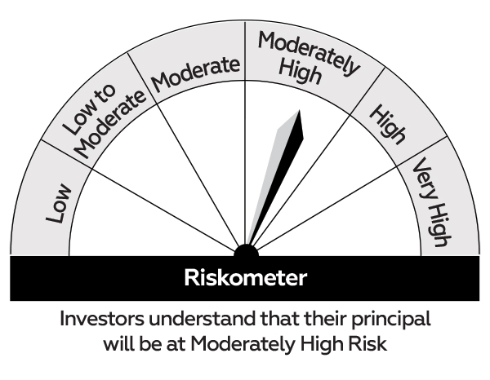 |  | 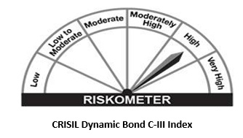
 | Investment in a range of debt and money market instruments of various maturities.
 | *Investors should consult their financial advisers if in doubt about whether the product is suitable for them.

YY09
 | IIFL- LIQUID FUND

 | Fortnightly Portfolio Statement as on April 30,2023
 | Name of the Instrument | ISIN | Rating | Quantity | Market/Fair Value(Rs. in Lacs) | Rounded % to Net Assets | YTM
 | Debt Instruments
 | (a) Listed / awaiting listing on Stock Exchange
RECL389 | 6.8% REC Limited (30/06/2023) | INE020B08CN2 | CRISIL AAA | 3,500,000 | 3496.9655 | 4.63% | 7.25%
HDBF282 | HDB Financial Services Limited (09/05/2023) (ZCB) ** | INE756I07DF2 | CRISIL AAA | 2,500,000 | 3039.31 | 4.03% | 8.30%
ENAM212 | Axis Finance Limited (10/05/2023) (ZCB) ** | INE891K07648 | CRISIL AAA | 1,000,000 | 998.182 | 1.32% | 7.39%
 | Sub Total |  |  |  | 7534.4575 | 9.98%
 | (b) Privately placed / Unlisted |  |  |  | NIL | NIL
 | Sub Total |  |  |  | NIL | NIL
 | Total |  |  |  | 7534.4575 | 9.98%
 | Money Market Instruments
 | Certificate of Deposit
PUBA978 | Punjab National Bank (18/05/2023) # | INE160A16MY7 | CARE A1+ | 2,500,000 | 2491.725 | 3.30% | 7.13%
BKBA363 | Bank of Baroda (09/06/2023) ** # | INE028A16DB3 | FITCH A1+ | 2,500,000 | 2481.4425 | 3.29% | 7.00%
IDBK478 | IDFC First Bank Limited (29/06/2023) ** # | INE092T16UO6 | CRISIL A1+ | 2,500,000 | 2471.735 | 3.27% | 7.08%
HDFB819 | HDFC Bank Limited (17/07/2023) ** # | INE040A16DH5 | CARE A1+ | 2,500,000 | 2463.0575 | 3.26% | 7.11%
CANB863 | Canara Bank (27/07/2023) ** # | INE476A16TU0 | CRISIL A1+ | 2,500,000 | 2458.395 | 3.26% | 7.10%
 | Sub Total |  |  |  | 12366.355 | 16.38%
 | Commercial Paper
RIND438 | Reliance Industries Limited (26/05/2023) | INE002A14JU0 | CARE A1+ | 5,000,000 | 4975.805 | 6.59% | 7.10%
LICH641 | LIC Housing Finance Limited (20/07/2023) | INE115A14EG0 | ICRA A1+ | 5,000,000 | 4922.32 | 6.52% | 7.20%
RRVL98 | Reliance Retail Ventures Limited (17/05/2023) ** | INE929O14966 | CRISIL A1+ | 2,500,000 | 2492.2425 | 3.30% | 7.10%
HDFC1185 | Housing Development Finance Corporation Limited (17/05/2023) ** | INE001A14YV9 | CRISIL A1+ | 2,500,000 | 2492.18 | 3.30% | 7.16%
NBAR706 | National Bank For Agriculture and Rural Development (24/05/2023) ** | INE261F14JP1 | CRISIL A1+ | 2,500,000 | 2488.78 | 3.30% | 7.16%
RRVL99 | Reliance Retail Ventures Limited (26/05/2023) ** | INE929O14974 | CRISIL A1+ | 2,500,000 | 2487.9025 | 3.30% | 7.10%
RIND439 | Reliance Industries Limited (16/06/2023) ** | INE002A14JV8 | CARE A1+ | 2,500,000 | 2477.9075 | 3.28% | 7.07%
BAFL844 | Bajaj Finance Limited (13/07/2023) ** | INE296A14UQ3 | ICRA A1+ | 2,500,000 | 2464.0725 | 3.26% | 7.29%
NEFL244 | Network18 Media & Investments Limited (25/07/2023) ** | INE870H14QA2 | CARE A1+ | 2,500,000 | 2458.8575 | 3.26% | 7.19%
ENAM246 | Axis Finance Limited (27/07/2023) | INE891K14MC7 | CRISIL A1+ | 2,500,000 | 2457.13 | 3.26% | 7.32%
 | Sub Total |  |  |  | 29717.1975 | 39.37%
 | Total |  |  |  | 42083.5525 | 55.75%
 | TREPS / Reverse Repo
TRP_020523 | TREPS |  |  |  | 25772.227589 | 34.14% | 6.76%
 | Sub Total |  |  |  | 25772.227589 | 34.14%
 | Total |  |  |  | 25772.227589 | 34.14%
 | Net Receivables / (Payables) |  |  |  | 93.184336314 | 0.12%
 | GRAND TOTAL |  |  |  | 75483.421925 | 100.00%

 | ZCB - Zero Coupon Bond
 | ** Thinly Traded / Non Traded Security
 | # Unlisted Security

 | Disclosure Portfolio YTM for Debt Schemes
 | Scheme Name : | IIFL Liquid Fund
 | Description (if any)

 | Annualised Portfolio YTM* : | 7.0649

 | Macaulay Duration | 0.0874
 | Residual Maturity | 0.0895

 | As on (Date) | 30-Apr-23

 | Risk-o-meter:

 | This product is suitable for investors who are seeking*
 | Income over short term horizon | 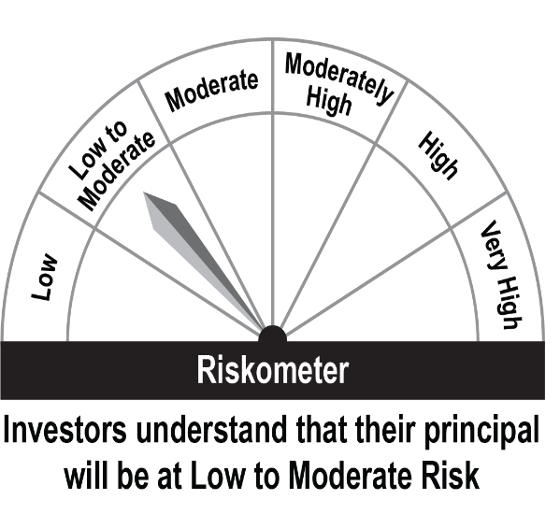 |  | 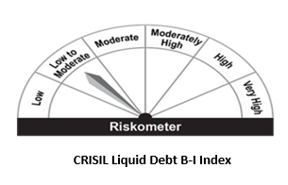
 | Investments in money market and short term debt instruments, with maturity not exceeding 91 days.
 | *Investors should consult their financial advisors if in doubt about whether the product is suitable for them.

